screen short
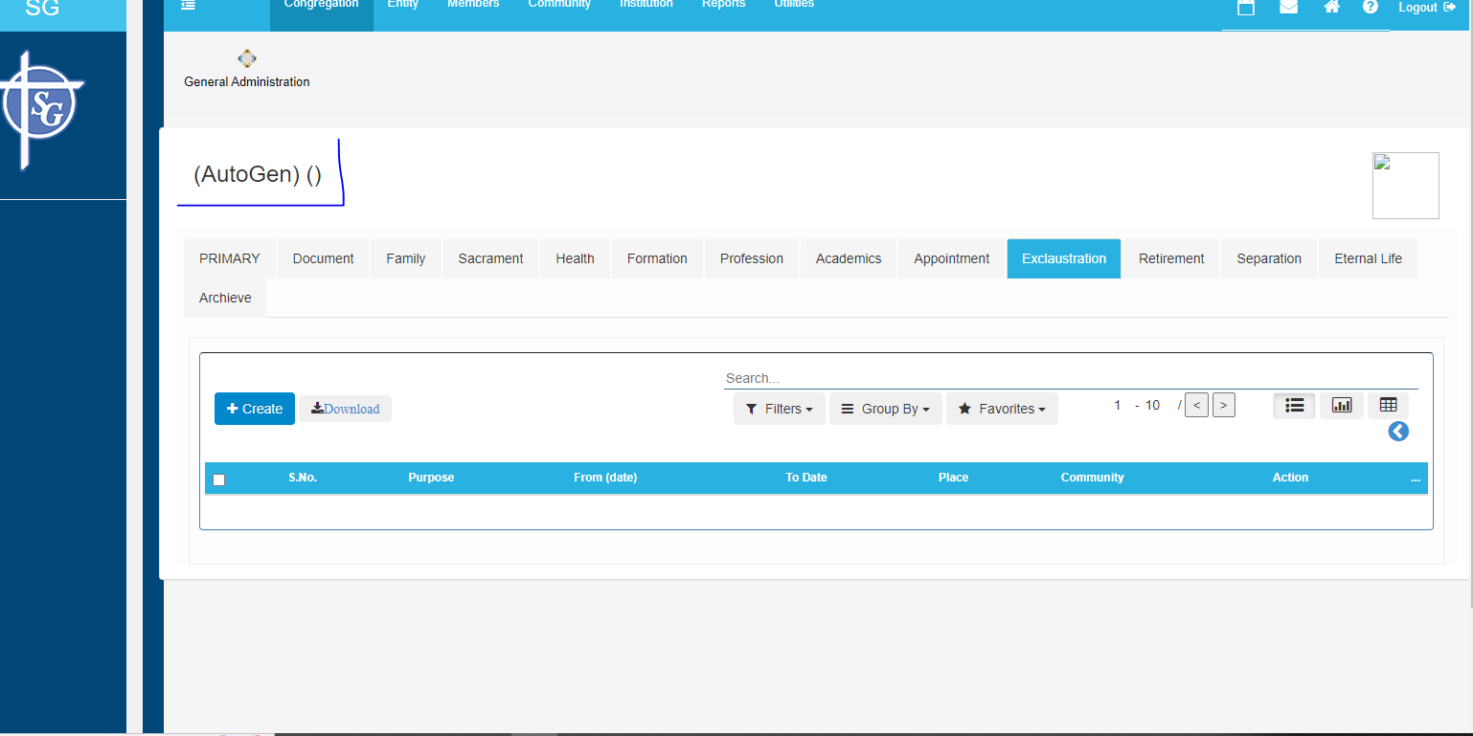
1. in this exam page end date is not saving in the server
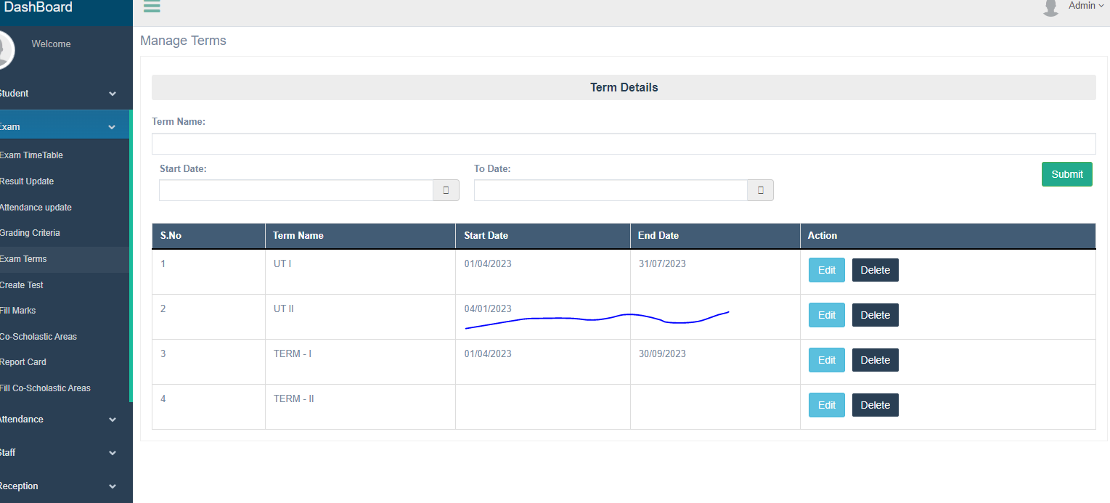

2. rank is not displaying in the excel
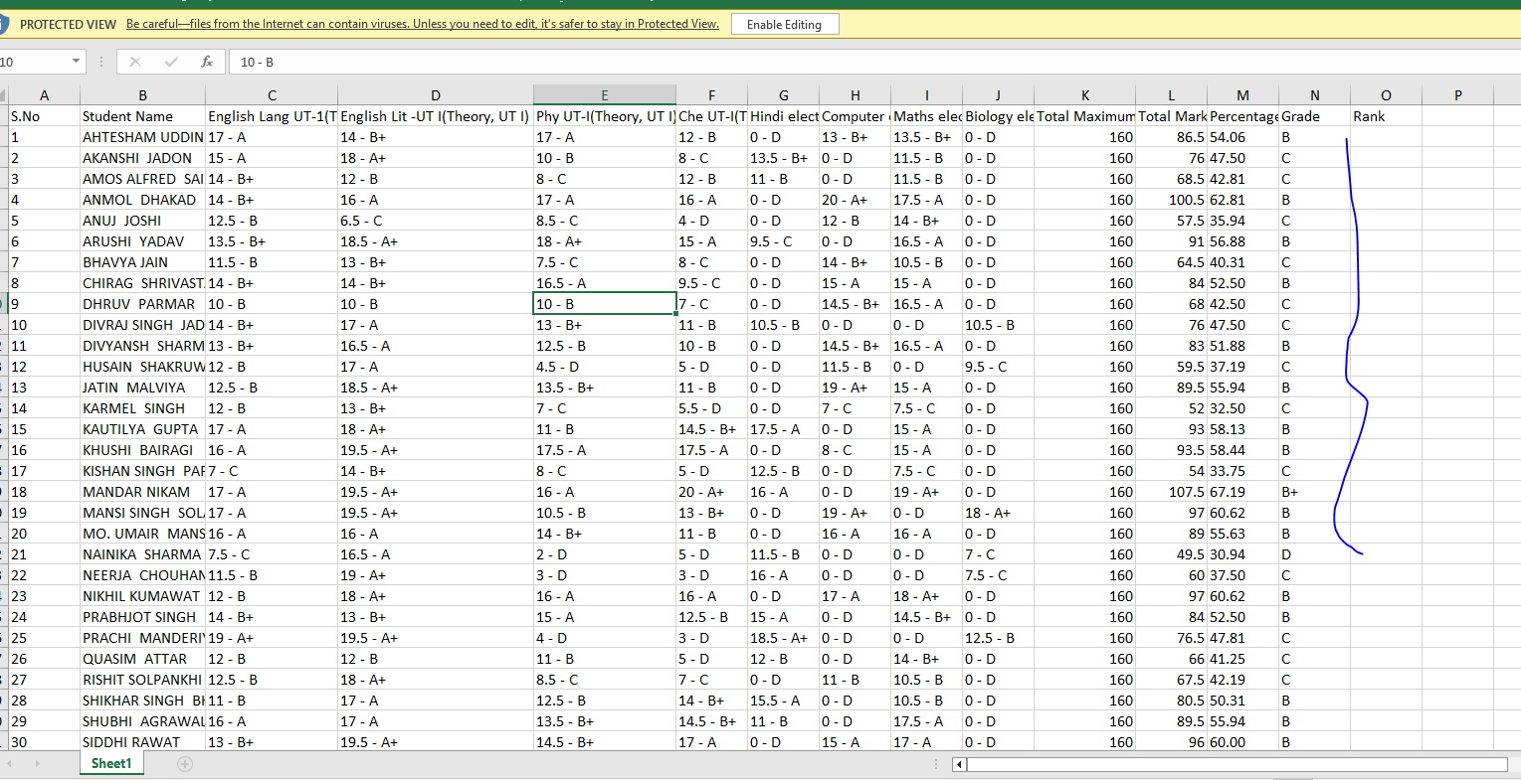

 | 3. excel 11 and 12 classes the total mark and percnatage is coming wrong

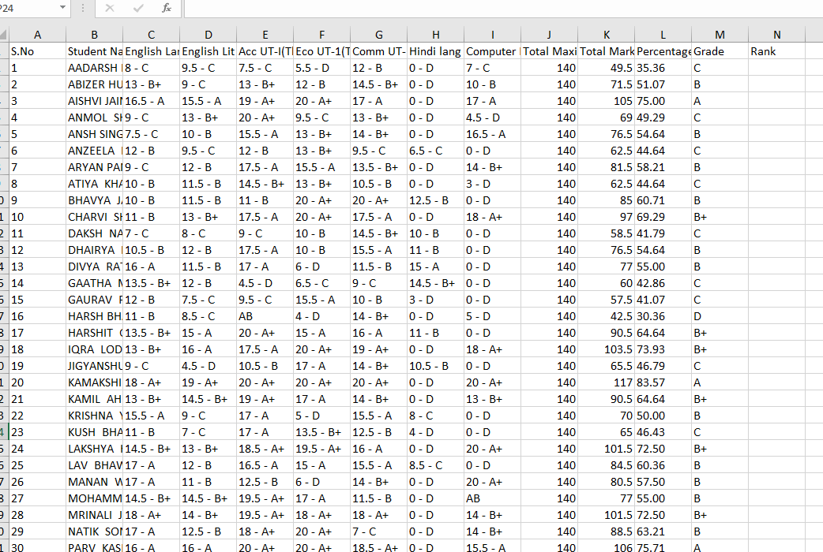

 | 4.in this screen short the alignment is coming different for each cloumn

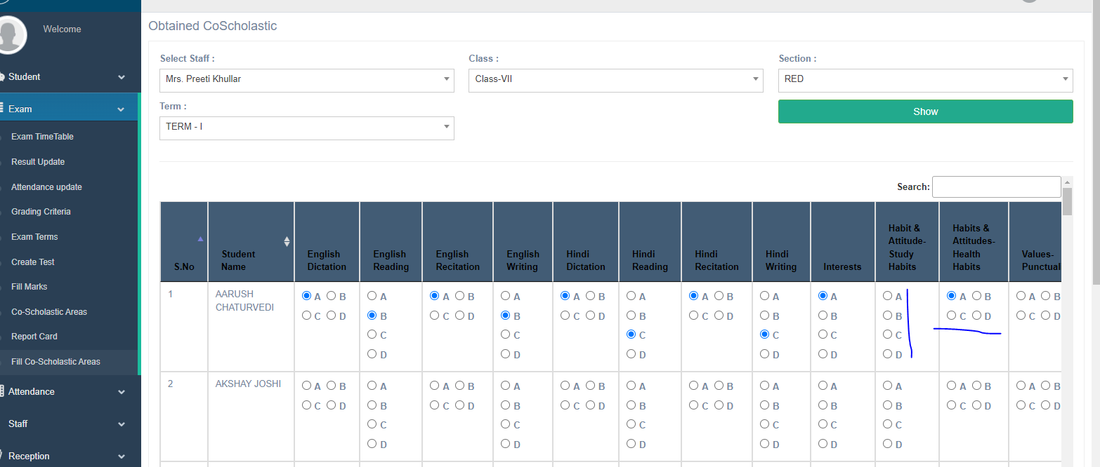

5. I had attached two sample images for the 9 and 10 report card

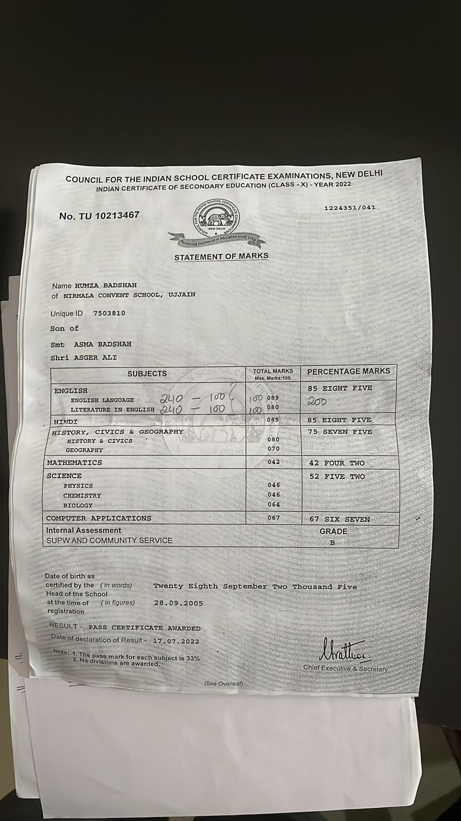
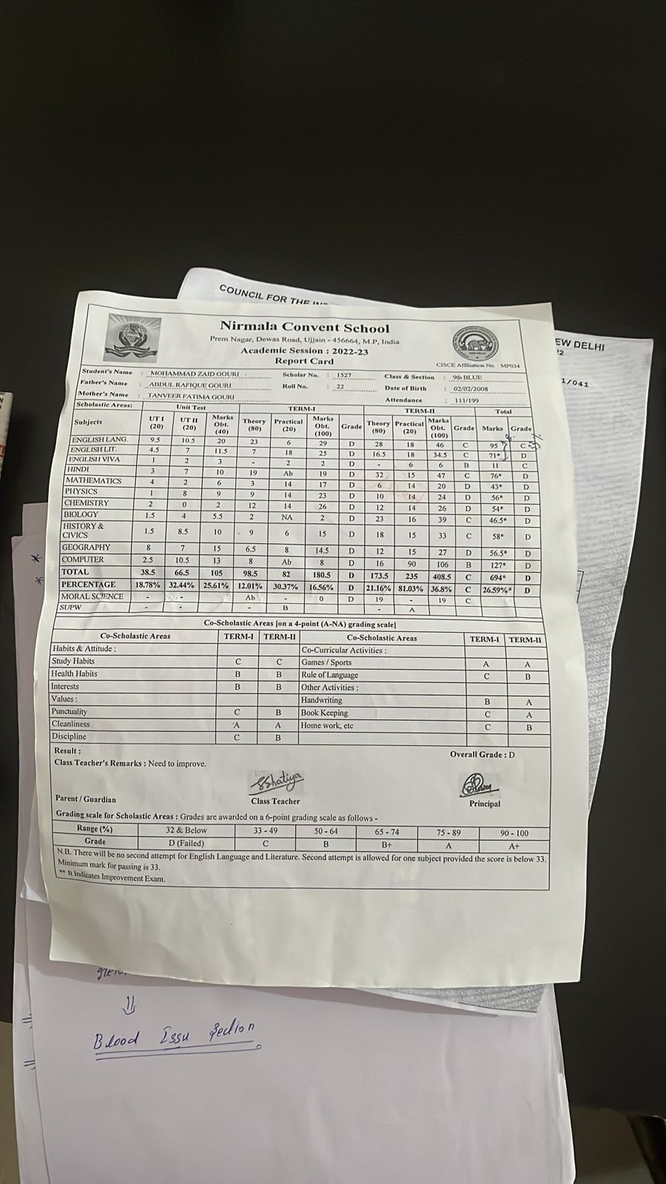

6.rport card alignment is coming wrong

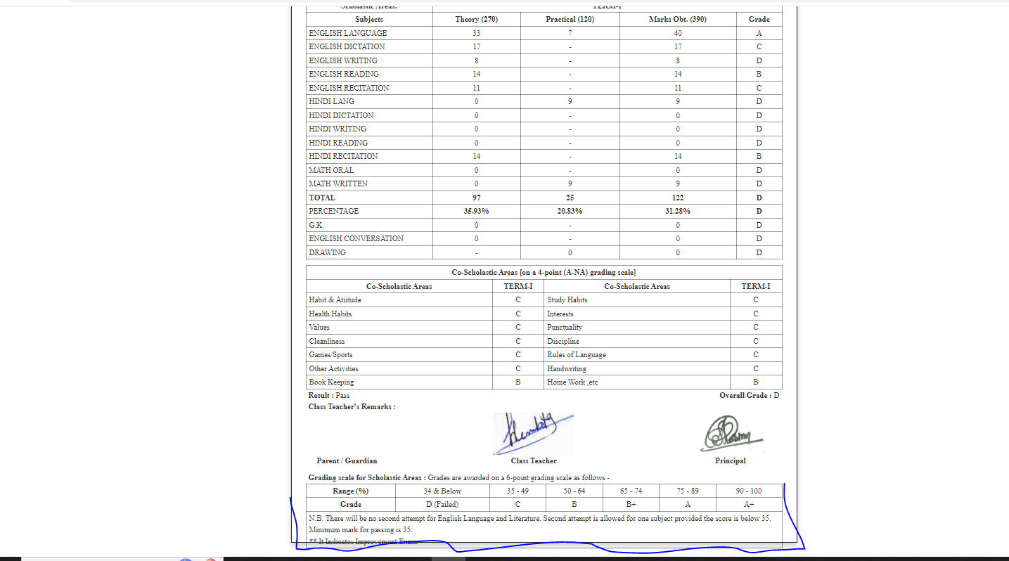

7. print button is not working . Ionly one time it is working

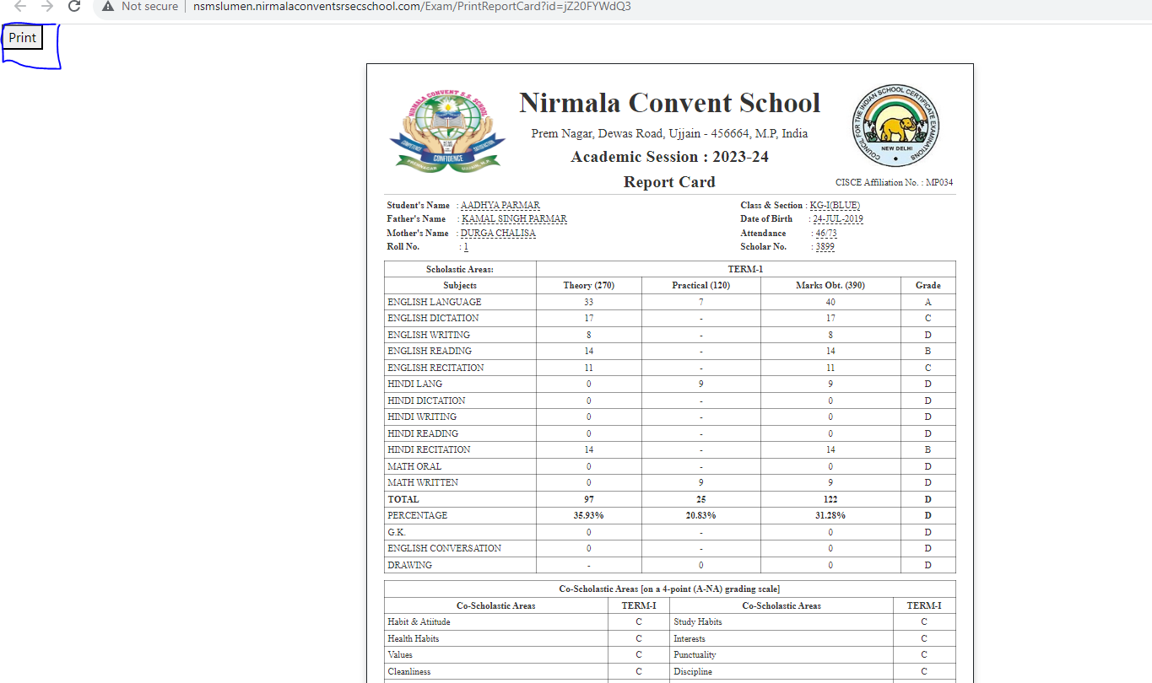

8. view attendence page that promoted the students name is displaying null value

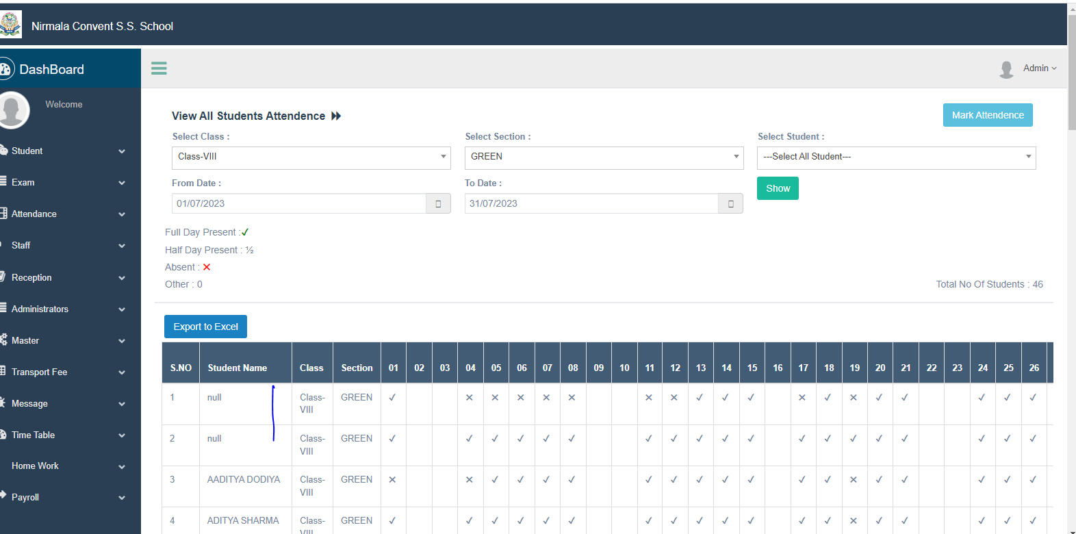

9. rfer this below image to desgin the tc print page this had given by client

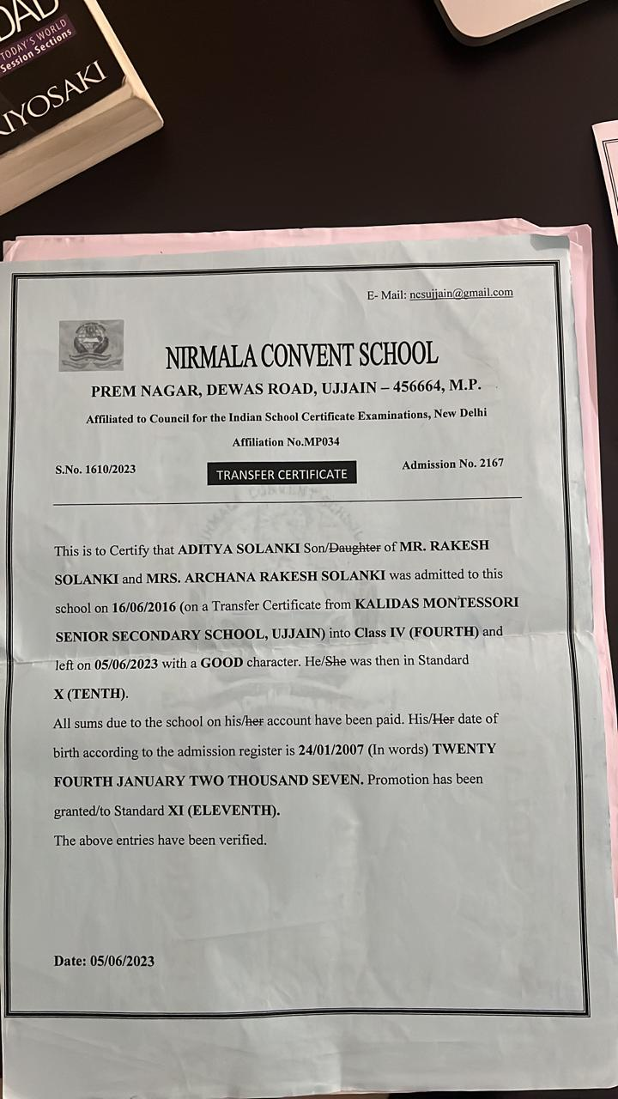

10. fill- co scholastic areas page alignment

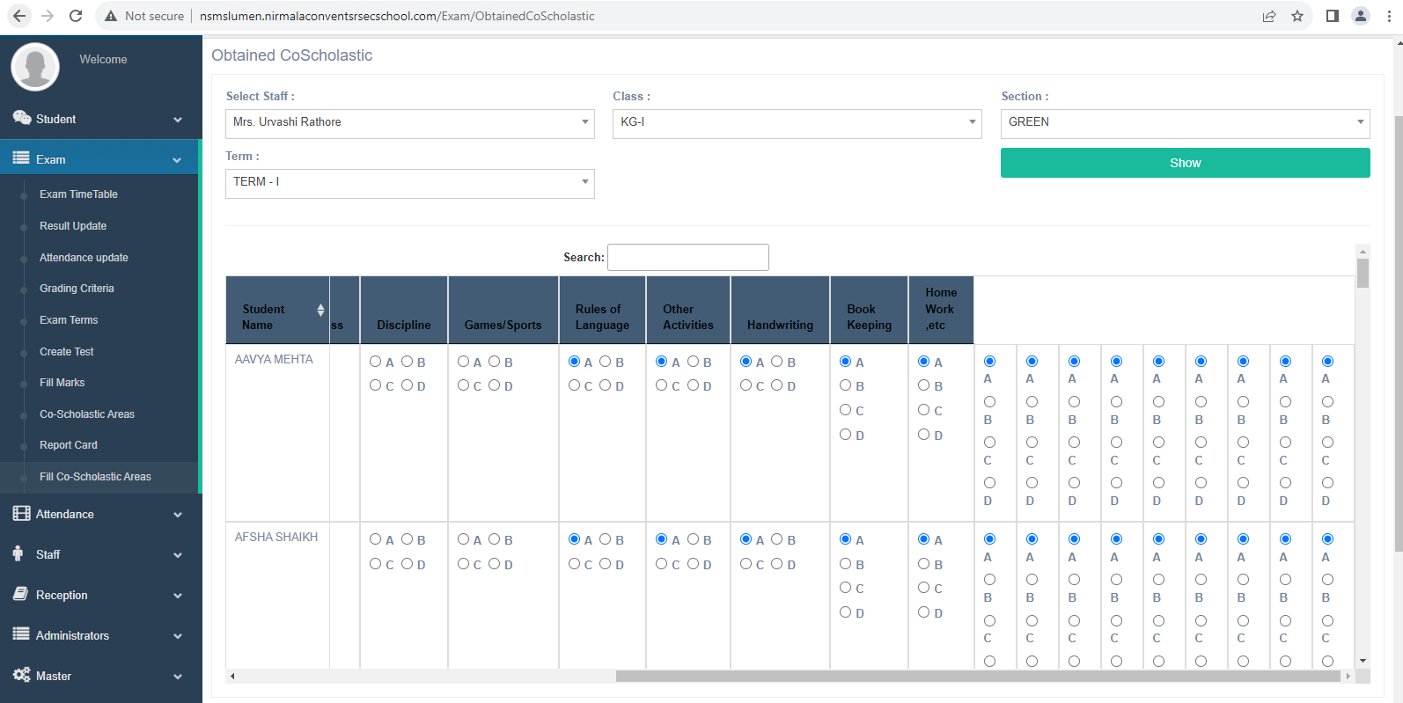

10.for the intitute submenu the chechk box are not displaying to give the permission

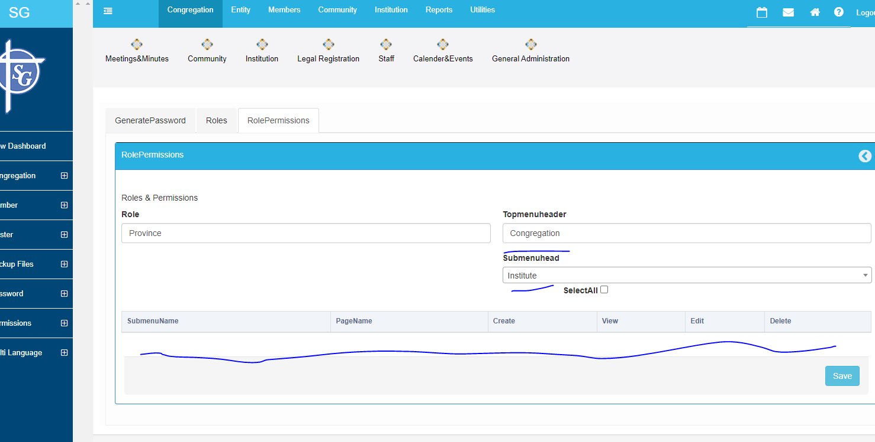

11.mintes chechk boxes are not displaying |  | 12.staff check boxes is not displaying
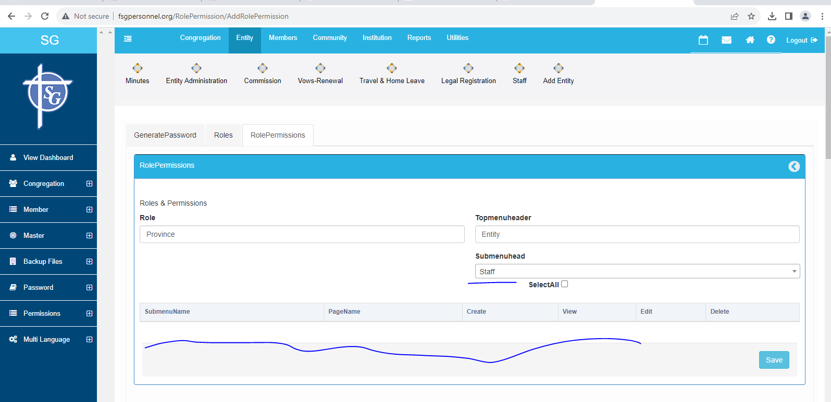
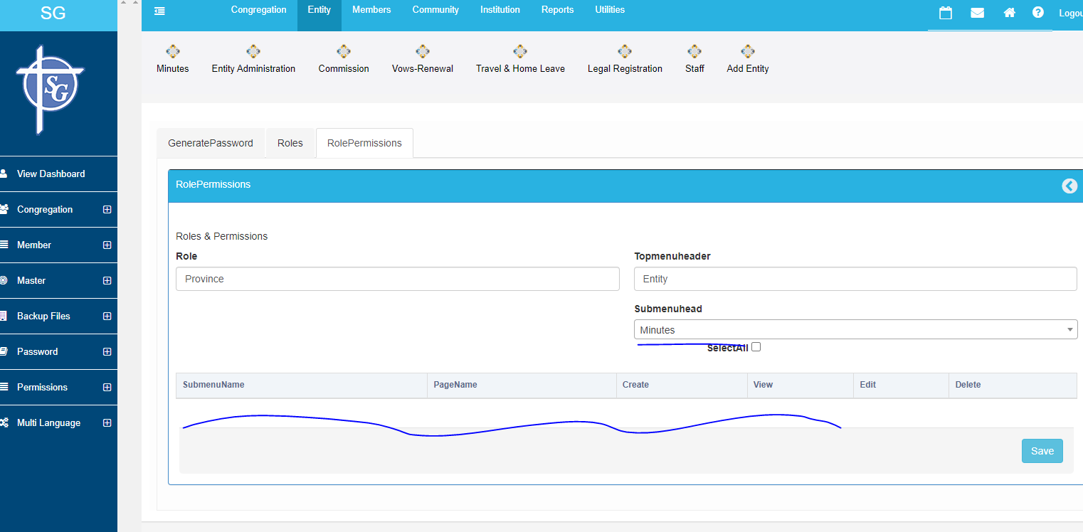

13.SG Directory chechk boxes are not displaying

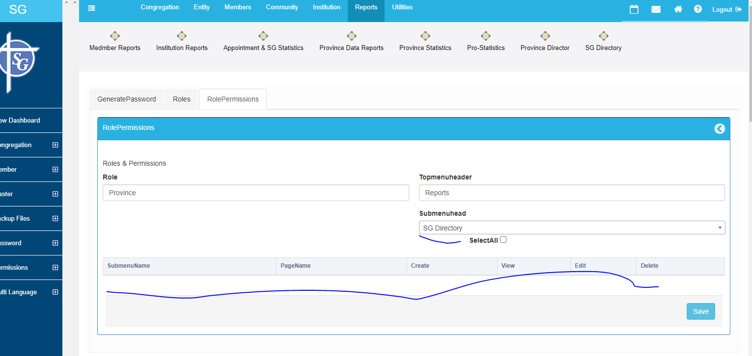

14.for this sub menus the check boxes are not display to give the permission

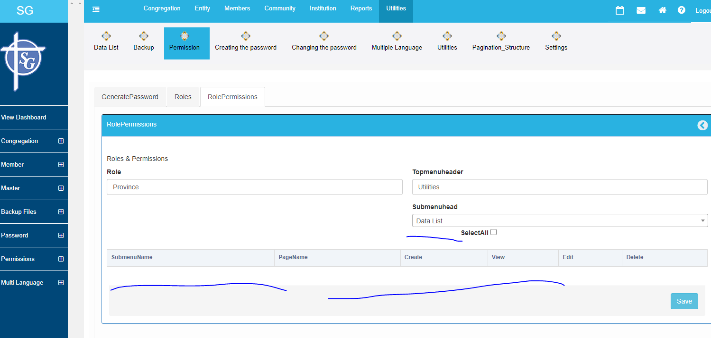
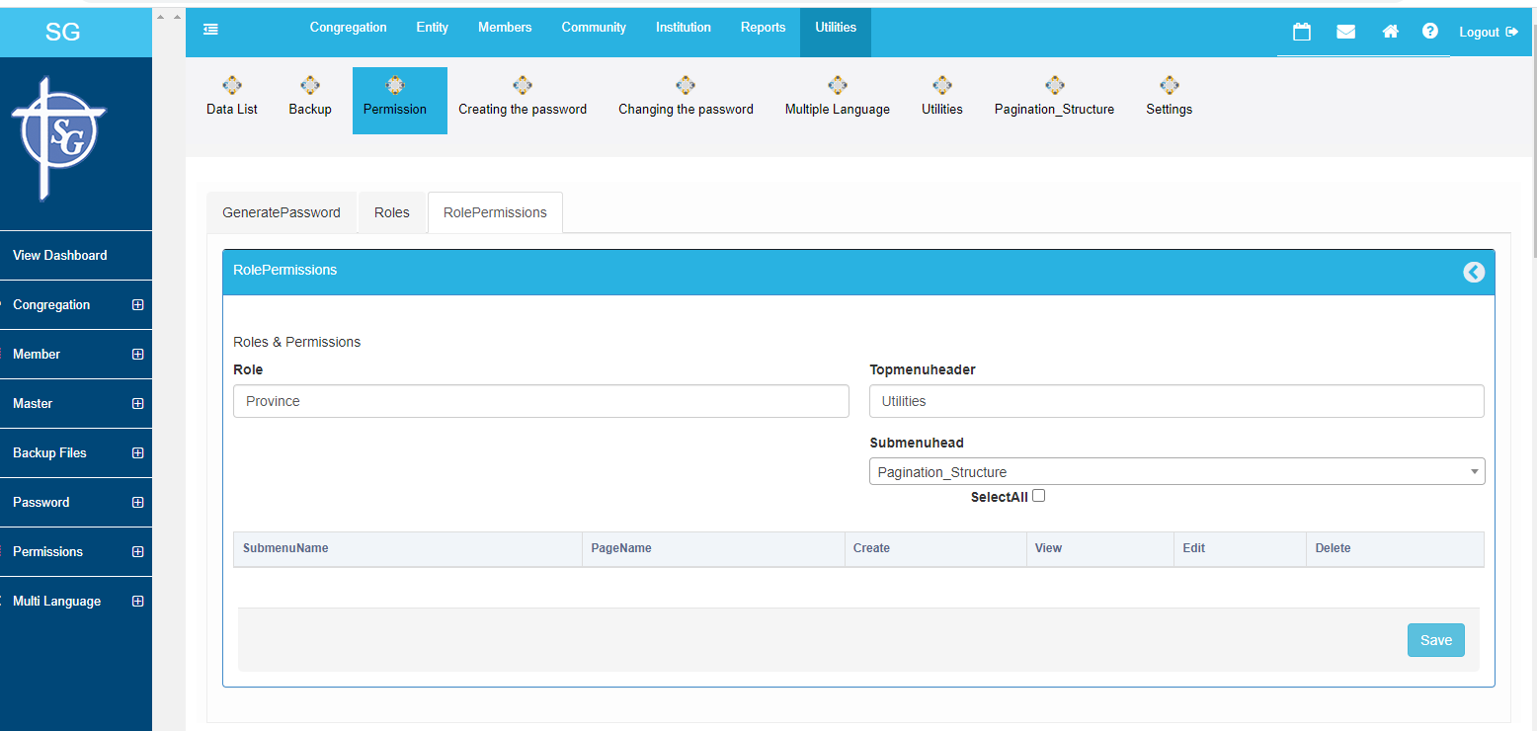

14

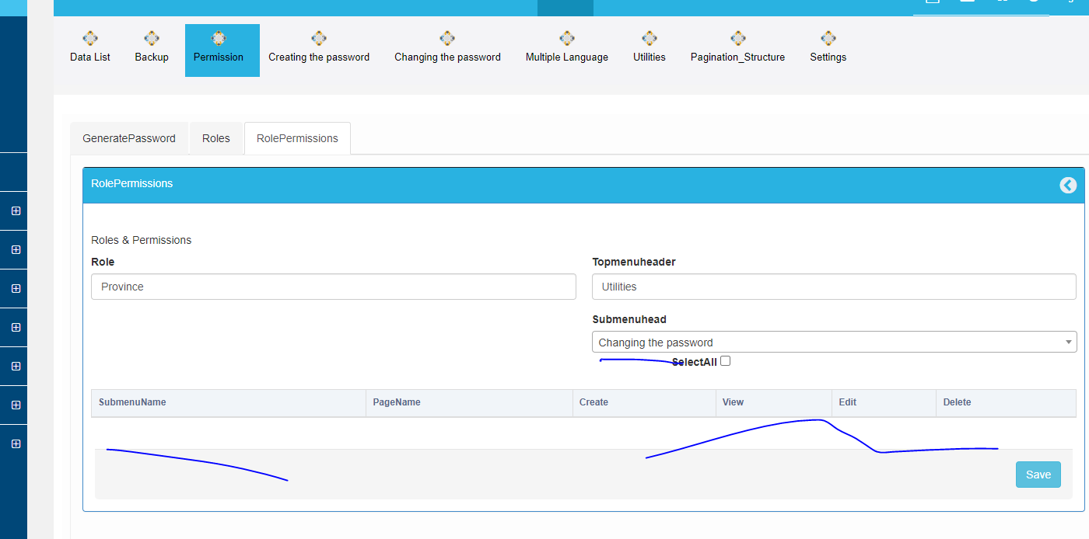

 | 15. members all the tabs are not displaying while first time opening

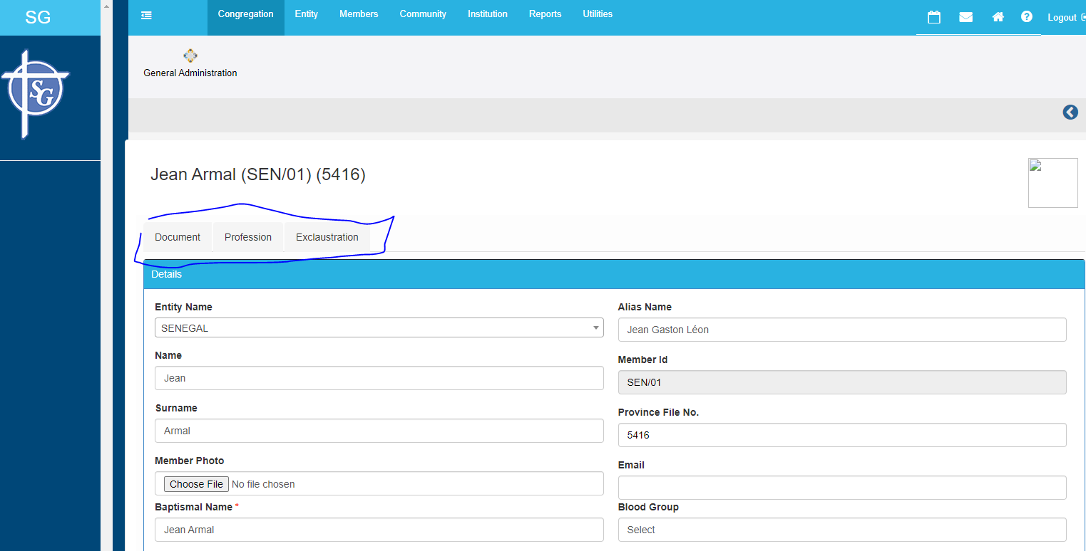

16. existing member name is not displaying in this members page after cicking the perfesstion tab

